Hiearchy View
CLASS: MASTER CONTROLLER
technical hub of a broadcast operation common among most over-the-air television stations and television networks |  | 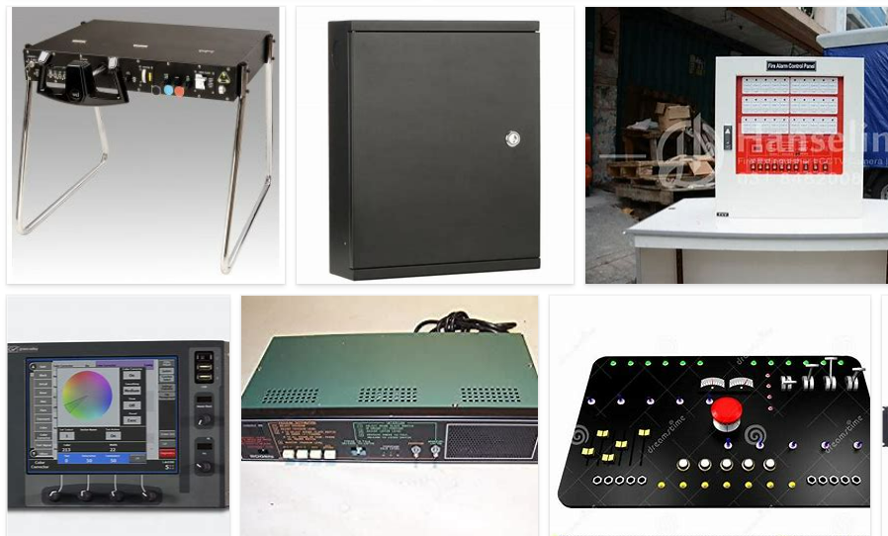
REMOVE | N

PROBLEM_DESC | CAUSE_DESC | REMEDY_DESC
ALARM/SENSOR
BROKEN/DAMAGED
OTHER PROBLEM
OVERHEATING
PESTS
POWER-ELEC
STOPPED/SLOWED/POOR OPS
TEMP-CTRL
VIBRATION
Grand Total

